dEN_08001
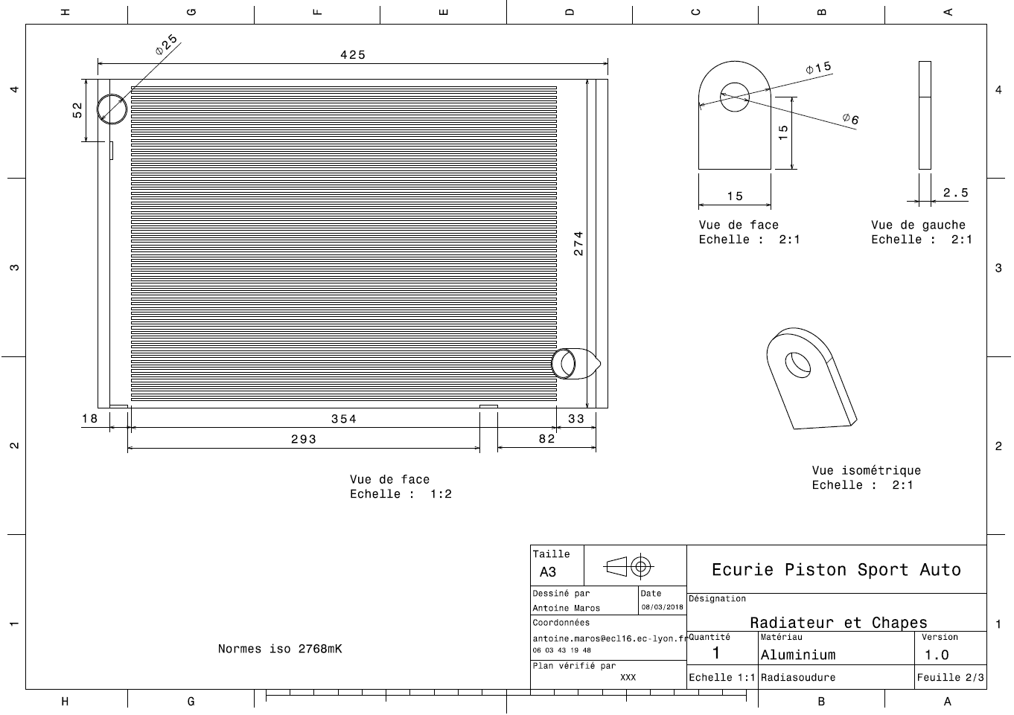

dEN_08002
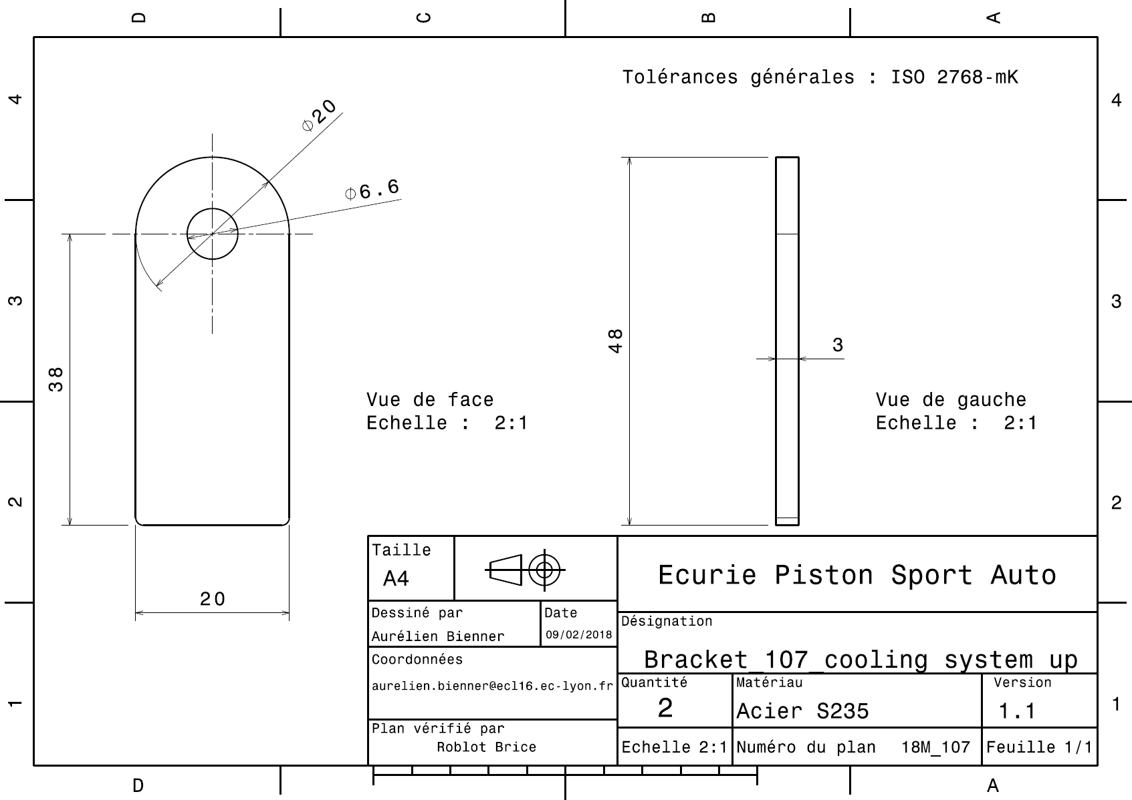
EN 08002

dEN_08003
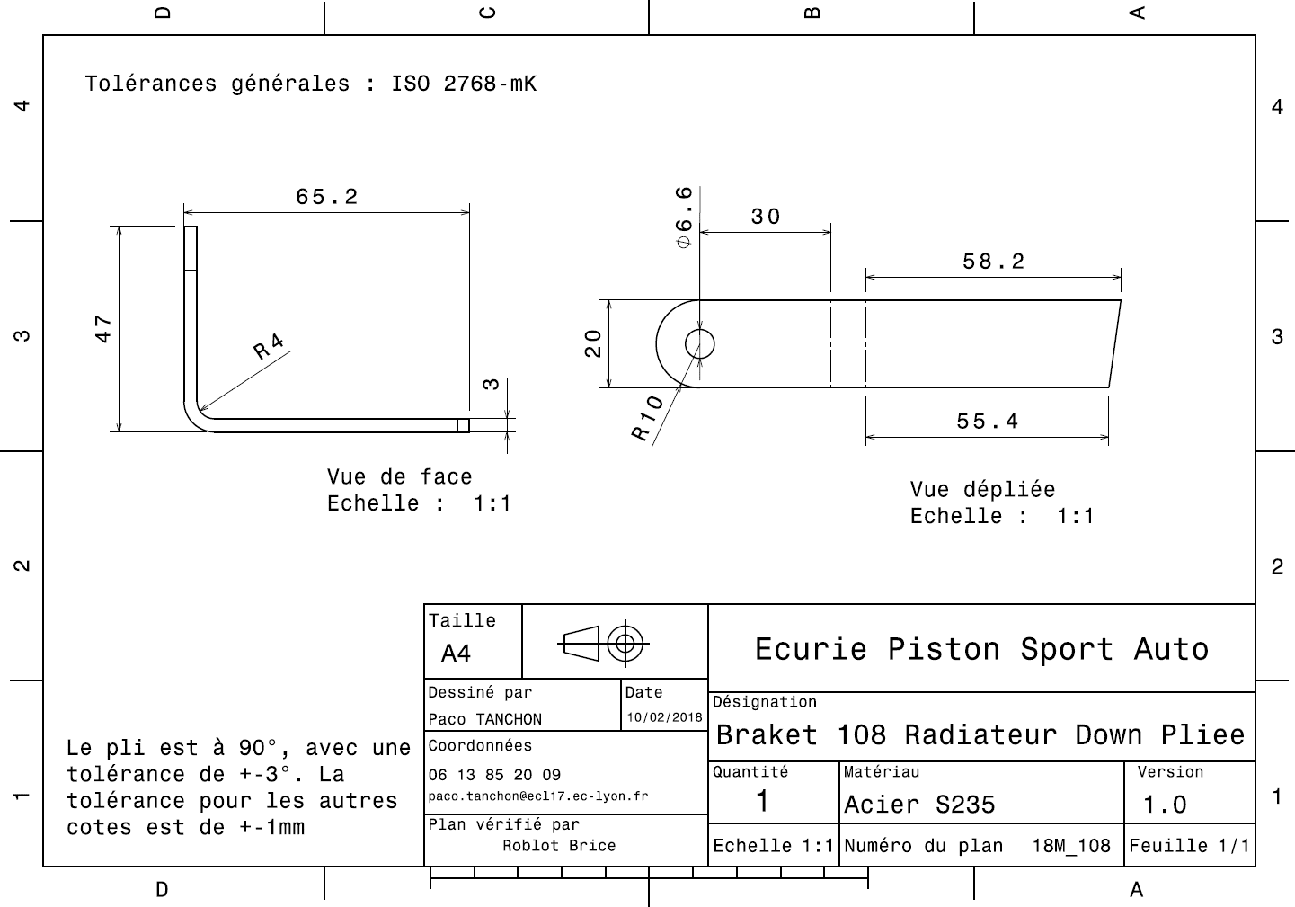
EN 08003

dEN_08004
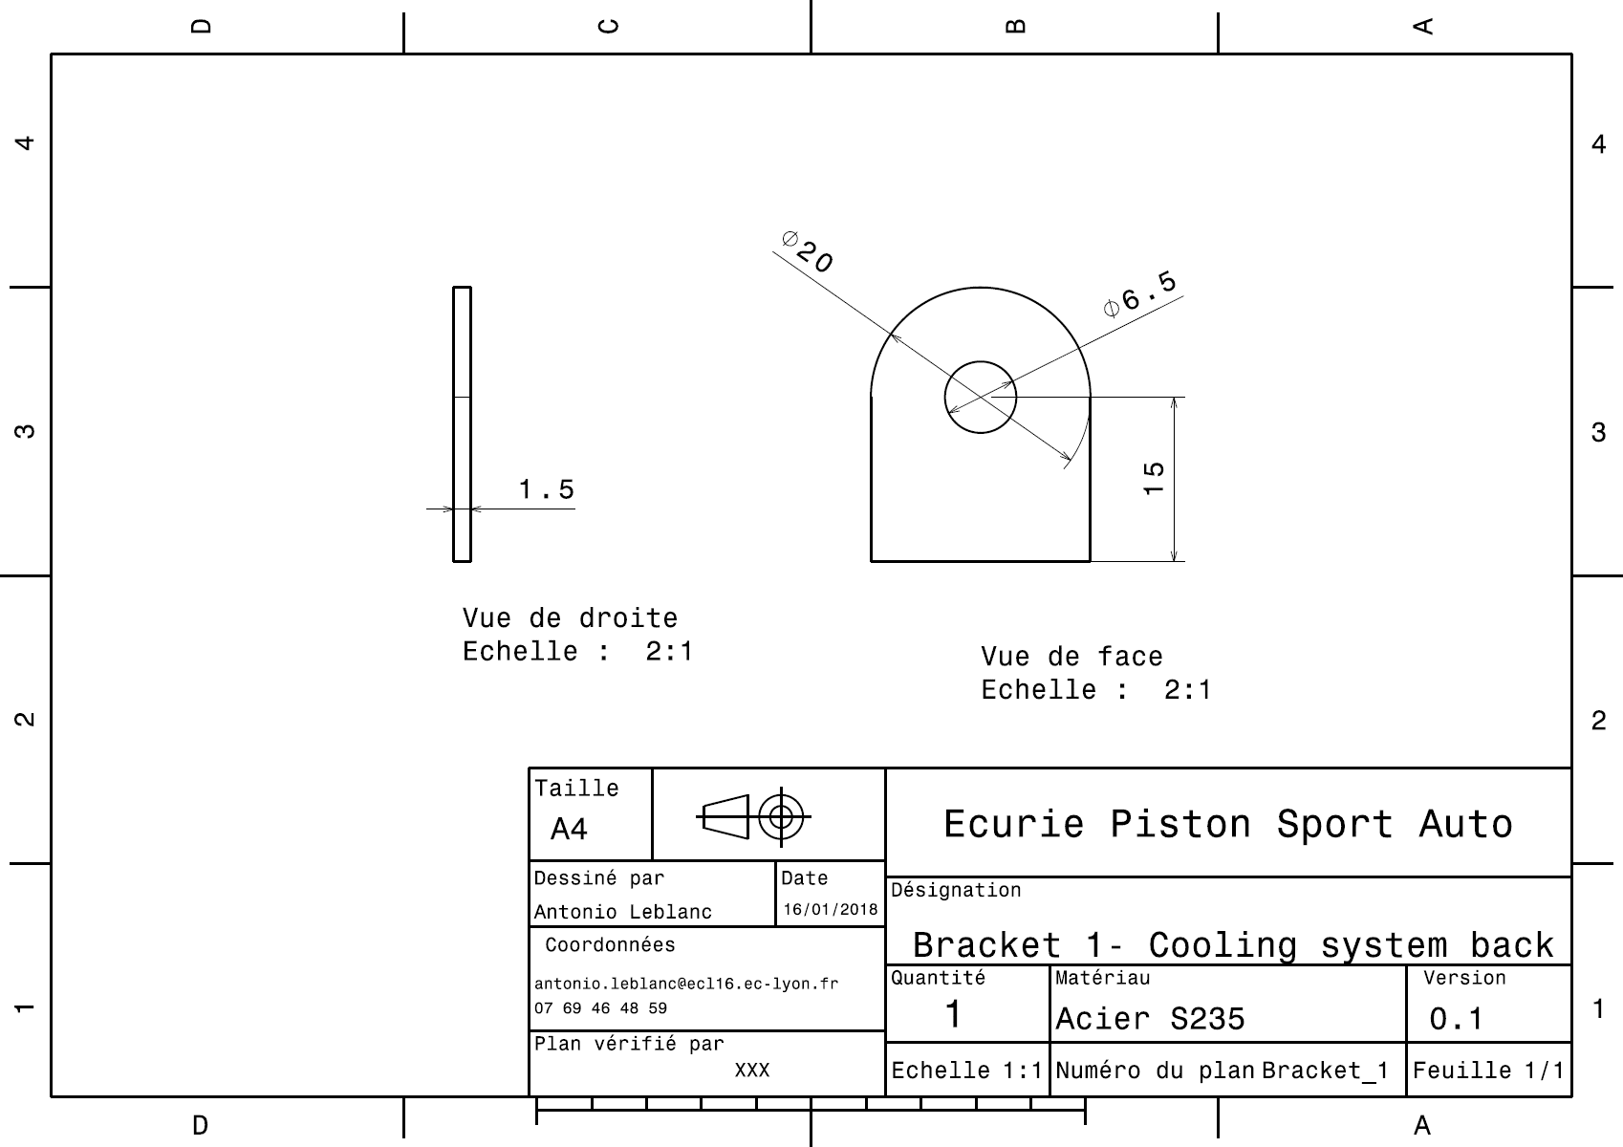
EN 08004

EN_08006
University | Ecole Centrale de Lyon |  |  |  | Back to BOM |  |  |  | Car # | 81 |  | Part Cost | $30.77
System | Engine & Drivetrain |  | FileLink1 |  |  |  |  |  |  |  |  | Qty | 1
Assembly | Cooling System |  | FileLink2 |  |  |  |  |  | FileLink1
Part | Fan |  | FileLink3 |  |  |  |  |  | FileLink2 |  |  | Extended Cost | $30.77
P/N Base | EN 08006 |  |  |  |  |  |  |  | FileLink3
Suffix | AA
Details

ItemOrder | Material | Use | UnitCost | Size1 | Unit1 | Size2 | Unit2 | Area Name | Area | Length | Density | Quantity | Sub Total
10 | Heat Exchanger Fan |  | $30.00 |  |  |  |  |  |  |  |  | 1 | $30.00
 |  |  |  |  |  |  |  |  |  |  |  | Sub Total | $30.00
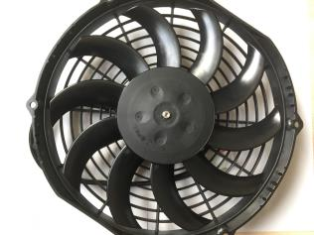
ItemOrder | Process | Use | UnitCost | Unit | Quantity | Multiplier | Mult. Val. | Sub Total
10 | Assemble, 1kg, Line-On-Line | Set Fan to Radiator | $0.13 | Labor | 1 |  | 1 | $0.13
20 | Assemble, 1kg, Loose | Push pin | $0.06 | Labor | 4 |  | 1 | $0.24
 |  |  |  |  |  |  | Sub Total | $0.37

ItemOrder | Fastener | Use | UnitCost | Size1 | Unit1 | Size2 | Unit2 | Quantity | Sub Total
10 | Pin, Plastic Push | Set Fan to Radiator | 0.1 |  |  |  |  | 4 | $0.40
 |  |  |  |  |  |  |  | Sub Total | $0.40

pEN_08007
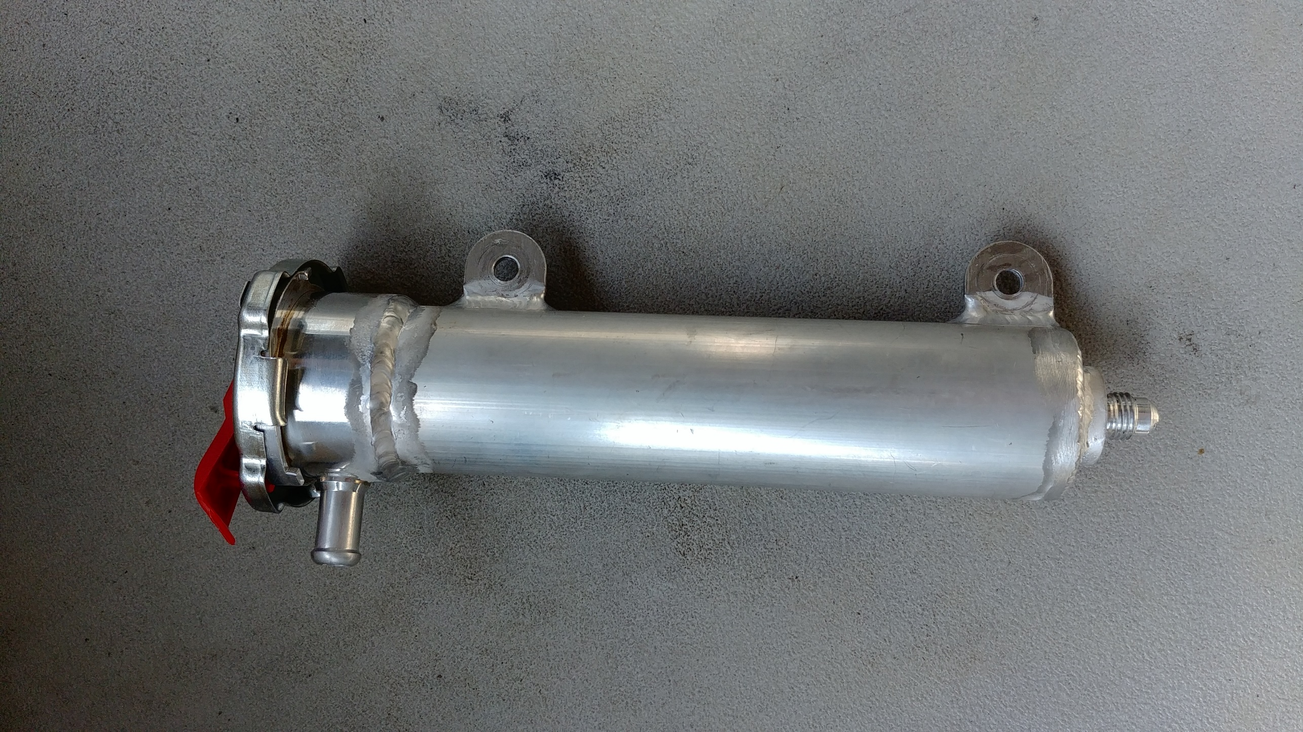
EN 08007

dEN_08008
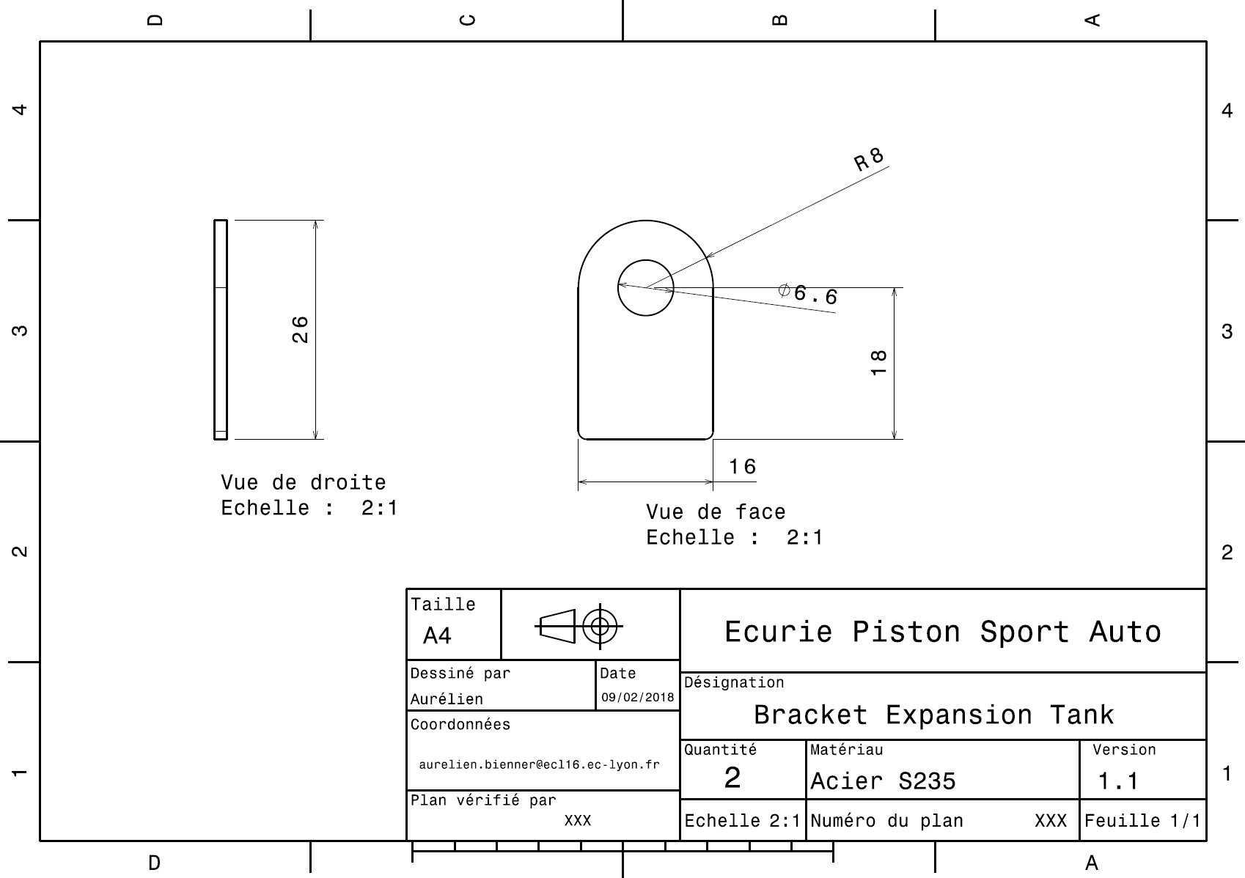
EN 08008

dEN_08009
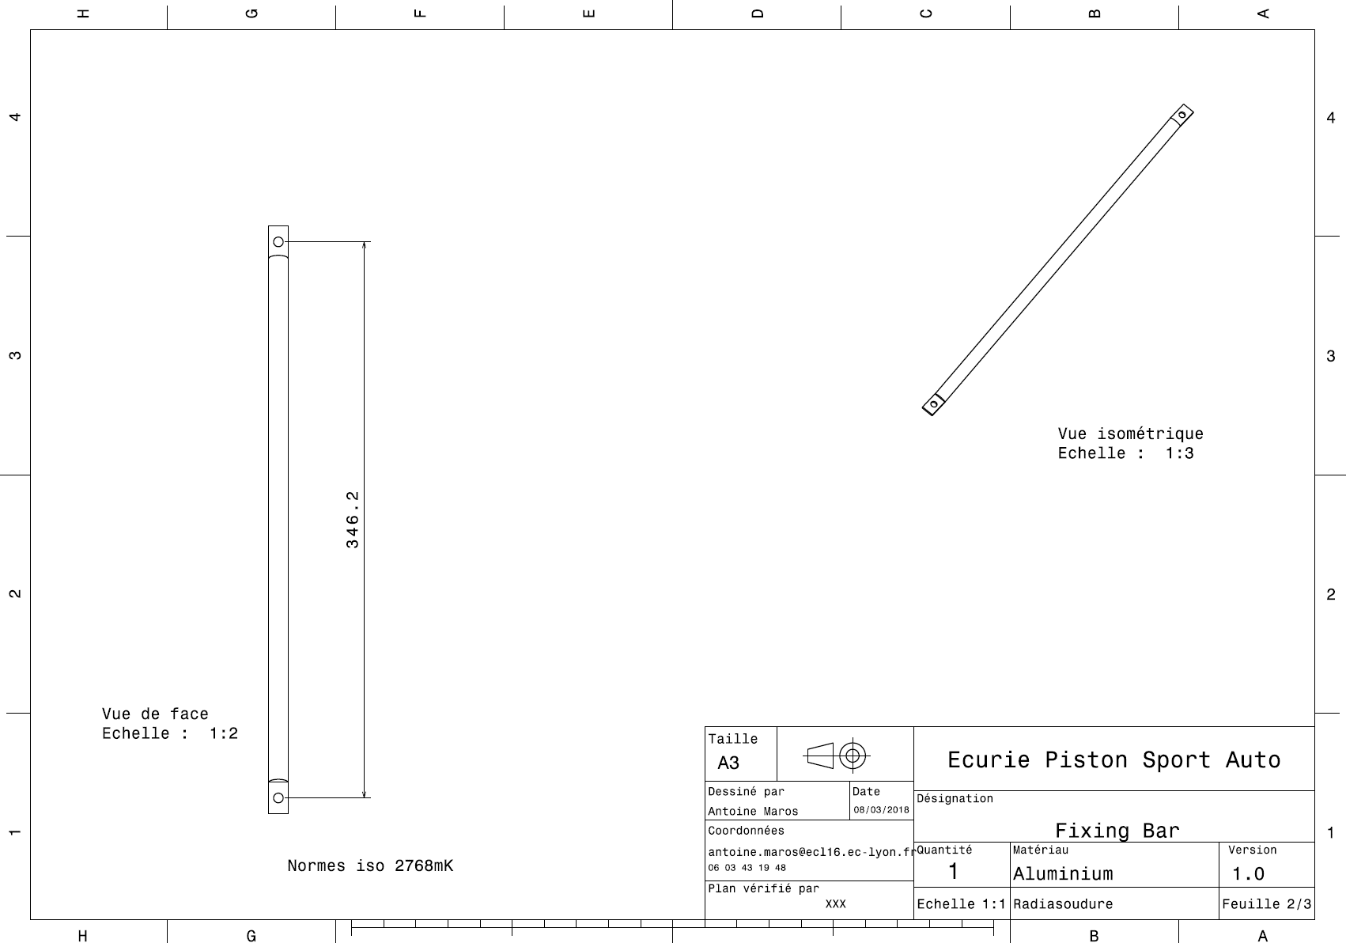
EN 08009

